WB Stoves
 |  | Price List Section
 | 0

PRICE LIST
Effective June 2, 2025

GATEWAY
Wood Stoves

Gateway 1700 Wood-Burning Stove
Meets 2020 Standard
1.9 cu. ft. Firebox
29 1/2" H, 24 1/8" W, 18 3/4" D
Heating Area 500 to 1,800 sq. ft.
Maximum Heat Output 65,000 BTU/H
6 Hour Burn Time
6-inch Diameter Flue
Maximum Log Length 18"
Requires
Door Overlay
Pedestal or Legs
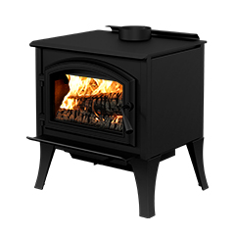

Gateway 1700 shown with Straight Leg set and Black Door Overlay

Gateway 1700
Model | BTU | Description | Wt | List
WB17FS | 65,000 | Freestanding Stove, 1.9 cu.ft., Metallic Black | 26 | $2,199

Door Sets (Req)
Model |  | Description | Wt | List
WD1BL |  | Door Overlay, Black | 2 | $79
WD1NB |  | Door Overlay, Nickel | 2 | $279

Pedestal and Leg Sets (Req)
Model |  | Description | Wt | List
WP1BL |  | Pedestal with Ash Pan, Black | 48 | $439
WLS1BL |  | Leg Kit with Ash Pan, Straight, Black | 0 | $529
WLS1NB |  | Leg Kit with Ash Pan, Straight, Nickel | 11 | $859
WLQ1BL |  | Leg Kit with Ash Pan, Queen Anne, Black | 48 | $489
WLQ1NB |  | Leg Kit with Ash Pan, Queen Anne, Nickel | 10 | $859

Accessories
Model |  | Description | Wt | List
WT1BL |  | Step Top Add-On | 4 | $219
WB1V |  | Blower, Variable Speed | 0 | $309
WT1QC |  | Thermodisc Kit, Quick Connect | 0 | $99
WBS1BL |  | Barrier, Black (Fire Screen) | 10 | $189

Fresh Air Kits
Model |  | Description | Wt | List
WA1L |  | Fresh Air Kit For Wood-Burning Stove on Legs | 7 | $299
WA5PD |  | Fresh Air Kit For Wood-Burning Stove on Pedestal | 48 | $129

Gateway 2300 Wood-Burning Stove
Meets 2020 Standard
2.4 cu. ft. Firebox
32 1/4" H, 26 1/4" W, 20 7/8" D
Heating Area 500 to 2,100 sq. ft.
Maximum Heat Output 75,000 BTU/H
8 Hour Burn Time
6-inch Diameter Flue
Maximum Log Length 20"
Requires
Door Overlay
Pedestal or Legs
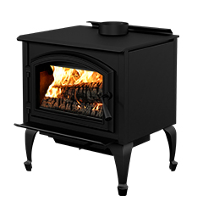

Gateway 2300 shown with Queen Anne Leg Set and Black Door Overlay

Gateway 2300
Model | BTU | Description | Wt | List
WB23FS | 75,000 | Freestanding Stove, 2.4 cu.ft., Metallic Black | 30 | $2,449

Door Sets (Req)
Model |  | Description | Wt | List
WD2BL |  | Door Overlay, Black | 2 | $79
WD2NB |  | Door Overlay, Nickel | 2 | $279

Pedestal and Leg Sets (Req)
Model |  | Description | Wt | List
WP2BL |  | Pedestal with Ash Pan, Black | 15 | $469
WLS2BL |  | Leg Kit with Ash Pan, Straight, Black | 7 | $529
WLS2NB |  | Leg Kit with Ash Pan, Straight, Nickel | 48 | $859
WLQ2BL |  | Leg Kit with Ash Pan, Queen Anne, Black | 7 | $499
WLQ2NB |  | Leg Kit with Ash Pan, Queen Anne, Nickel | 7 | $879

Accessories
Model |  | Description | Wt | List
WT2BL |  | Step Top Add-On | 4 | $279
WB1V |  | Blower, Variable Speed | 0 | $309
WT1QC |  | Thermodisc Kit, Quick Connect | 0 | $99
WBS2BL |  | Barrier, Black (Fire Screen) | 10 | $209

Fresh Air Kits
Model |  | Description | Wt | List
WA2L |  | Fresh Air Kit For Wood-Burning Stove on Legs | 9 | $239
WA5PD |  | Fresh Air Kit For Wood-Burning Stove on Pedestal | 48 | $129

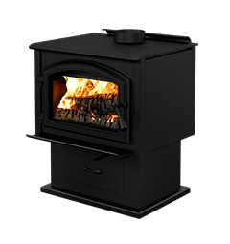
Gateway 3500 Wood-Burning Stove
Meets 2020 Standard
3.5 cu. ft. Firebox
34" H, 28 1/8" W, 24 5/8" D
Heating Area 1,000 to 2,700 sq. ft.
Maximum Heat Output 110,000 BTU/H
10 Hour Burn Time
6-inch Diameter Flue
Maximum Log Length 22"
Requires
Door Overlay
Pedestal or Legs

Gateway 3500 shown with Pedestal and Black Door Overlay

Gateway 3500
Model | BTU | Description | Wt | List
WB35FS | 110,000 | Freestanding Stove, 3.5 cu.ft., Metallic Black | 29 | $3,189

Door Sets (Req)
Model |  | Description | Wt | List
WD3BL |  | Door Overlay, Black | 2 | $79
WD3NB |  | Door Overlay, Nickel | 0 | $289

Pedestal and Leg Sets (Req)
Model |  | Description | Wt | List
WP3BL |  | Pedestal with Ash Pan, Black | 15 | $479
WLS3BL |  | Leg Kit with Ash Pan, Straight, Black | 11 | $529
WLS3NB |  | Leg Kit with Ash Pan, Straight, Nickel | 12 | $819
WLQ3BL |  | Leg Kit with Ash Pan, Queen Anne, Black | 12 | $499
WLQ3NB |  | Leg Kit with Ash Pan, Queen Anne, Nickel | 0 | $909

Accessories
Model |  | Description | Wt | List
WT3BL |  | Step Top Add-On | 48 | $329
WB1V |  | Blower, Variable Speed | 0 | $309
WT1QC |  | Thermodisc Kit, Quick Connect | 0 | $99
WBS3BL |  | Barrier, Black (Fire Screen) | 15 | $289

Fresh Air Kits
Model |  | Description | Wt | List
WA5PD |  | Fresh Air Kit For Wood-Burning Stove on Pedestal | 48 | $129

ARCHWAY
Wood Inserts

Archway 1700 Wood-Burning Insert
Meets 2020 Standard
1.9 cu. ft. Firebox
21 1/2" H, 27 1/2" W, 12 7/8" D
Heating Area 500 to 1,800 sq. ft.
Maximum Heat Output 65,000 BTU/H
6 Hour Burn Time
6-inch Diameter Flue
Maximum Log Length 18"
Includes:
Blower
Requires
Door Overlay
Surround

Archway 1700 shown with Nickel Door Overlay and Black Surround

Archway 1700
Model | BTU | Description | Wt | List
WB17IN | 65,000 | Insert with Blower, 1.9 cu.ft., Metallic Black | 26 | $3,029

Doors (Req)
Model |  | Description | Wt | List
WD1BL |  | Door Overlay, Black | 2 | $79
WD1NB |  | Door Overlay, Nickel | 2 | $279

Surrounds (Req)
Model |  | Description | Wt | List
WS1744BL |  | Surround, Black (29 x 44) | 48 | $164
WS1750BL |  | Surround, Black (32 x 50) | 54 | $189

Accessories
Model |  | Description | Wt | List
WBS1BL |  | Barrier, Black (Fire Screen) | 10 | $189

Fresh Air Kit
Model |  | Description | Wt | List
WA5IN |  | Fresh Air Kit For Insert, 5-in | 5 | $119

Meets 2020 Standard
2.4 cu. ft. Firebox
24" H, 29 1/2" W, 19" D
Heating Area 500 to 2,100 sq. ft.
Maximum Heat Output 75,000 BTU/H
6 Hour Burn Time
6-inch Diameter Flue
Maximum Log Length 20"
Includes:
Blower
Requires
Door Overlay
Surround
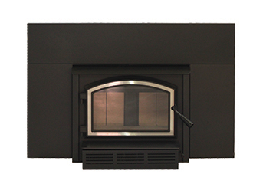
Archway 2300 Wood-Burning Insert

Archway 2300 shown with Nickel Door Overlay and Black Surround

Archway 2300
Model | BTU | Description | Wt | List
WB23IN | 75,000 | Insert with Blower, 2.4 cu.ft., Metallic Black | 29 | $3,299

Doors (Req)
Model |  | Description | Wt | List
WD2BL |  | Door Overlay, Black | 2 | $79
WD2NB |  | Door Overlay, Nickel | 2 | $279

Surrounds (Req)
Model |  | Description | Wt | List
WS2344BL |  | Surround, Black (29 x 44) | 48 | $169
WS2350BL |  | Surround, Black (32 x 50) | 40 | $189
WS2350TBL |  | Surround, Black, Trimmable (32 x 50) | 51 | $199

Accessories
Model |  | Description | Wt | List
WBS1BL |  | Barrier, Black (Fire Screen) | 10 | $189

Fresh Air Kit
Model |  | Description | Wt | List
WA5IN |  | Fresh Air Kit For Insert, 5-in | 5 | $119

St. Clair
Wood Fireplaces

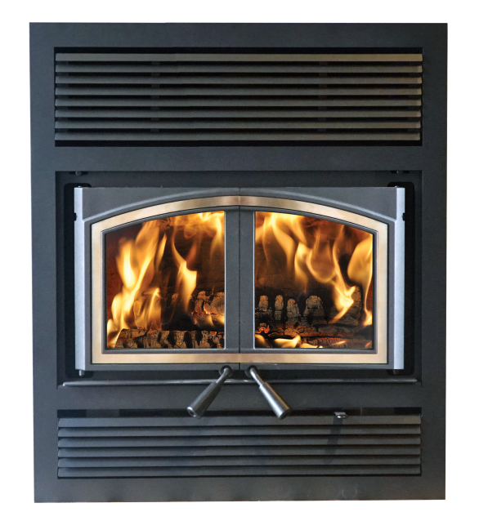
St. Clair 3000 Wood-Burning Fireplace
Meets 2020 Standard
3.0 cu. ft. Firebox
38" H, 36 1/2" W, 56" D
Heating Area 750 to 2,500 sq. ft.
Maximum Heat Output 80,000 BTU/H
9 Hour Burn Time
6-inch Diameter Flue
Maximum Log Length 18"
Includes:
Blower
Requires
Door Overlay
Faceplate

St. Clair 3000
Model | BTU | Description | Wt | List
WB30FP | 80,000 | Wood Stove, Fireplace, 3.0 Cu.Ft., Black | 26 | $4,949

Doors (Req)
Model |  | Description | Wt | List
WD4BL |  | Door Overlay, Black | 2 | $159
WD4NB |  | Door Overlay, Nickel | 2 | $429

Faceplate (Req)
Model |  | Description | Wt | List
WF4TBL |  | Faceplate, Traditional | 48 | $689

Accessories
Model |  | Description | Wt | List
WBS4BL |  | Firescreen | 6 | $219
WB2FA |  | Kit, Forced Air Distribution | 14 | $789
WB2G |  | Kit, Gravity Air Circulation | 14 | $599

Fresh Air Kit
Model |  | Description | Wt | List
WA4FP |  | Kit, Fresh Air Intake | 17 | $219

Meets 2020 Standard
4.28 cu. ft. Firebox
49 1/2" H, 38" W, 50" D
Heating Area 1000 to 2,800 sq. ft.
Maximum Heat Output 95,000 BTU/H
10 Hour Burn Time
8-inch Diameter Flue
Maximum Log Length 25"
Includes:
Blower
Requires
Door Overlay
Faceplate
Refractory
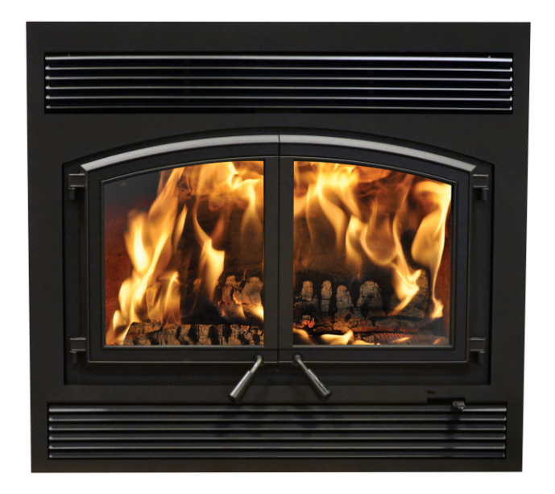
St. Clair 4300 Wood-Burning Fireplace

St. Clair 4300
Model | BTU | Description | Wt | List
WB43FP | 95,000 | Wood Stove, Fireplace, 4.3 Cu.Ft., Black | 49 | $5,969

Doors (Req)
Model |  | Description | Wt | List
WD5BL |  | Door Overlay, Black | 2 | $259
WD5NB |  | Door Overlay, Nickel | 2 | $569

Faceplate (Req)
Model |  | Description | Wt | List
WF5TBL |  | Faceplate, Traditional | 50 | $659

Refractory (Req)
Model |  | Description | Wt | List
WR5C |  | Traditional Refractory | 19 | $769

Accessories
Model |  | Description | Wt | List
WB2FA |  | Kit, Forced Air Distribution | 14 | $789
WB2WG |  | Grill, Warm Air Circulation | 10 | $459

Fresh Air Kit
Model |  | Description | Wt | List
WA5FP |  | Kit, Fresh Air Intake | 0 | $249

